Door Pricing
Net Pricing (Canadian Dollars)
Specialty Building Products (West)
May 5, 2025 Price List |  |  |  |  | % Increase | 6.00%
FULL TRUCKLOAD PRICING 1000 Doors or more / Full Lifts (same size/style/size)
Slab | Colonial Moulded | Conmore | Flat Moulded (Shaker) | Primed Hardboard | Jan 2025 Price | May 2025 Price | Jan 2025 Price | May 2025 Price | Jan 2025 Price | May 2025 Price | Jan 2025 Price | May 2025 Price
12" to 18" | $41.60 | $46.45 | $51.30 | $29.05 | 39.25 | 41.60 | 43.80 | 46.45 | 48.40 | 51.30 | 27.40 | 29.05
20" to 24" | $45.10 | $49.95 | $54.80 | $32.65 | 42.55 | 45.10 | 47.10 | 49.95 | 51.70 | 54.80 | 30.80 | 32.65
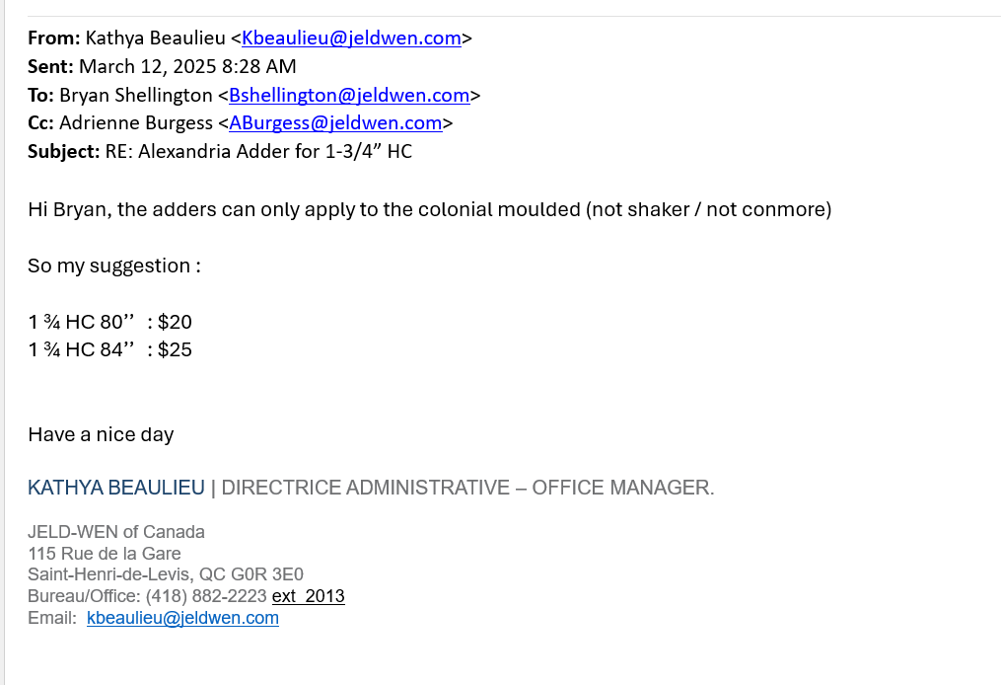
26" & 28" | $46.25 | $51.10 | $55.95 | $33.15 | 43.65 | 46.25 | 48.20 | 51.10 | 52.80 | 55.95 | 31.25 | 33.15
30" | $46.65 | $51.40 | $56.35 | $35.10 | 44.00 | 46.65 | 48.50 | 51.40 | 53.15 | 56.35 | 33.10 | 35.10
32" | $48.85 | $53.75 | $58.65 | $35.95 | 46.10 | 48.85 | 50.70 | 53.75 | 55.35 | 58.65 | 33.90 | 35.95
34" | $51.20 | $56.05 | $60.85 | $36.75 | 48.30 | 51.20 | 52.90 | 56.05 | 57.40 | 60.85 | 34.65 | 36.75
36" | $51.20 | $56.05 | $60.85 | $36.75 | 48.30 | 51.20 | 52.90 | 56.05 | 57.40 | 60.85 | 34.65 | 36.75
38'' | NA | NA | NA | $65.65 |  |  |  |  |  |  | 61.95 | 65.65
38" Euro (Carrara) | $83.20 | NA | NA | NA |  | New
Height 84" | $20.05 | $24.70 | $24.70 | $12.35 | 18.90 | 20.05 | 23.30 | 24.70 | 23.30 | 24.70 | 11.65 | 12.35
Height 96" | $35.45 | $46.25 | $46.25 | $24.70 | 33.45 | 35.45 | 43.65 | 46.25 | 43.65 | 46.25 | 23.30 | 24.70
1 3/8 solid core 80'' add | $44.30 | $44.30 | $44.30 | $36.35 | 41.80 | 44.30 | 41.80 | 44.30 | 41.80 | 44.30 | 34.30 | 36.35
1 3/8 solid core 84' add | $52.45 | $52.45 | $52.45 | $41.30 | 49.50 | 52.45 | 49.50 | 52.45 | 49.50 | 52.45 | 38.95 | 41.30
1 3/8 solid core 96' add | $99.10 | $99.10 | $99.10 | $59.85 | 93.50 | 99.10 | 93.50 | 99.10 | 93.50 | 99.10 | 56.45 | 59.85
1 3/4 hollow core 80" add | $20.00 | NA | NA | $21.10 |  |  |  |  |  |  | 19.90 | 21.10
1 3/4 hollow core 84" add | $25.00 | NA | NA | $25.00
For pivot or bypass door add $4.65 |  |  |  |  | 4.40 | 4.65
Bifold 79 in. c/w hardware shrink-wrapped
18" to 24" | $57.70 | $62.50 | $67.40 | $48.40 | 54.45 | 57.70 | 58.95 | 62.50 | 63.60 | 67.40 | 45.65 | 48.40
26" to 30" | $61.30 | $66.10 | $71.00 | $52.35 | 57.85 | 61.30 | 62.35 | 66.10 | 67.00 | 71.00 | 49.40 | 52.35
32" to 36" | $64.90 | $69.85 | $74.60 | $56.45 | 61.25 | 64.90 | 65.90 | 69.85 | 70.40 | 74.60 | 53.25 | 56.45
Height 84" | $23.20 | $23.20 | $23.20 | $23.20 | 21.90 | 23.20 | 21.90 | 23.20 | 21.90 | 23.20 | 21.90 | 23.20
Height 96" | $74.05 | $74.05 | $74.05 | $55.50 | 69.85 | 74.05 |  | New |  | New | 52.36 | 55.50
1 3/4 20 min (no label)
30" | $134.45 | $155.75 | $155.75 | $82.00 | 126.85 | 134.45 | 146.95 | 155.75 | 146.95 | 155.75 | 77.35 | 82.00
32" | $135.95 | $158.80 | $158.80 | $82.00 | 128.25 | 135.95 | 149.80 | 158.80 | 149.80 | 158.80 | 77.35 | 82.00
34" | $137.50 | $160.35 | $160.35 | $82.80 | 129.70 | 137.50 | 151.25 | 160.35 | 151.25 | 160.35 | 78.10 | 82.80
36" | $137.50 | $160.35 | $160.35 | $82.80 | 129.70 | 137.50 | 151.25 | 160.35 | 151.25 | 160.35 | 78.10 | 82.80
38'' | NA | NA | NA | $121.20 |  |  |  |  |  |  | 114.35 | 121.20
38" Euro (Carrara) | $172.50 | NA | NA | NA |  | New
Height 82" or 84" | $27.75 | $46.25 | $46.25 | $18.55 | 26.20 | 27.75 | 43.65 | 46.25 | 43.65 | 46.25 | 17.50 | 18.55
Height 96" | $46.25 | $92.50 | $92.50 | $43.15 | 43.65 | 46.25 | 87.25 | 92.50 | 87.25 | 92.50 | 40.70 | 43.15
Less than 5 per size (1-4) add $7.00 |  |  |  |  | 6.60 | 7.00
If Full Truckload rules are met a 5% charge will apply to broken lifts (if order is accepted)
20 Min Labelled + Machined (3 hinges+Cyl lock): $24.50 |  |  |  |  | 23.10 | 24.50
Off standard for slab, bifold & procore 1 3/8 or 13/4 add : $61.70 |  |  |  |  | 58.20 | 61.70

Modèle moulées
Wood Grain

 | COLONIST TEX | CAMDEN

Slab | 6/8, 7/0, 8/0 | 6/8
Bifold | 6/8, 7/0, 8/0 | 6/8

Smooth

 | CARRARA | SANTA-FE | ROCKPORT

Slab | 6/8, 7/0, 8/0 | 6/8, 7/0, 8/0 | 6/8, 7/0, 8/0
Bifold | 6/8, 7/0, 8/0 | 6/8, 7/0, 8/0 | 6/8, 7/0, 8/0

Smooth

 | CRAFTSMAN | MADISON | CONMORE | MONROE | BIRKDALE

Slab | 6/8 & 7/0 | 6/8, 7/0, 8/0 | 6/8, 7/0, 8/0 | 6/8, 7/0, 8/0 | 6/8, 7/0, 8/0
Bifold | 6/8 & 7/0 | 6/8, 7/0, 8/0 | 6/8 & 7/0 | 6/8, 7/0, 8/0 | 6/8 & 7/0

